Hardware Description
 | LLD Template

Hardware Description

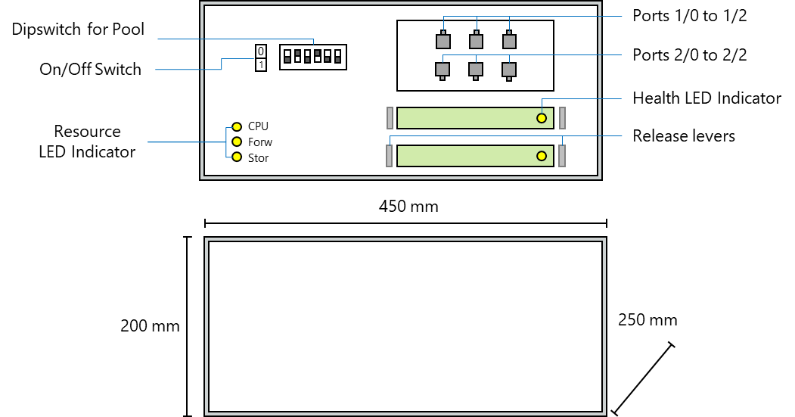

NFVI

 | Vendor |  | Vendor A

 | Model |  | BX001

 | Software Version |  | 15.0.0.9

 | Hardware Version |  | rev2.0

 | Dimensions |  | 200x450x250 mm

 | Procesing Capacity |  | 100 vCPU

 | Storage Capacity |  | 300 GB

 | Networking Capacity |  | 15 Gbps

 | Additional Information |  | --

Logical Integration

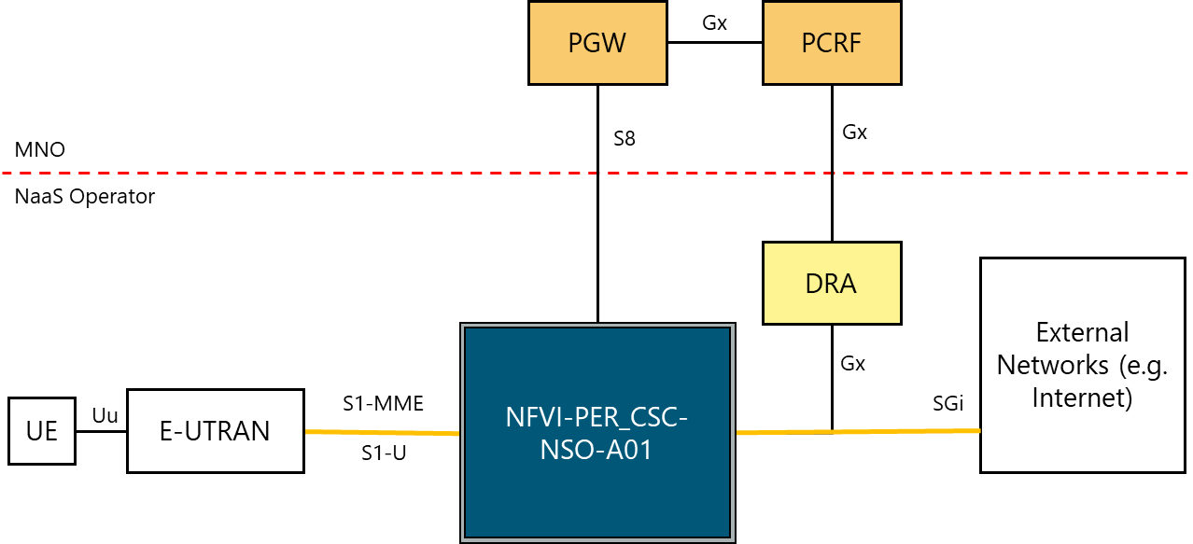

Logical to Physical Elements

Logical to Physical Relationship

 |  | Hardware Element |  | Logical Element
 | NFVI A | NFVI-PER_CSC-NSO-A01 |  | MME, SGW, PGW, HSS.
 |  | NFVI-PER_CSC-NSO-A01 Port 1/1 |  | S1-MME
 |  | NFVI-PER_CSC-NSO-A01 Port 1/1 |  | S1-U
 |  | NFVI-PER_CSC-NSO-A01 Port 1/2 |  | Gx
 |  | NFVI-PER_CSC-NSO-A01 Port 1/2 |  | S8
 |  | NFVI-PER_CSC-NSO-A01 Port 1/0 |  | SGi
 | Switch Top of Rack | NFVIA _Switch_TOR_Port0/0 |  | All O&M & Sync
 |  | NFVIA _Switch_TOR_Port0/1 |  | S8 (CP), S1-MME
 |  | NFVIA _Switch_TOR_Port0/2 |  | S1-U, S8 (UP), SGi

